netload
unit(MW) | 0:00:00 | 1:00:00 | 2:00:00 | 3:00:00 | 4:00:00 | 5:00:00 | 6:00:00 | 7:00:00 | 8:00:00 | 9:00:00 | 10:00:00 | 11:00:00 | 12:00:00 | 13:00:00 | 14:00:00 | 15:00:00 | 16:00:00 | 17:00:00 | 18:00:00 | 19:00:00 | 20:00:00 | 21:00:00 | 22:00:00 | 23:00:00
grid import | 2.553584579 | 3.059324332 | 4.72583744 | -1.863280916 | 1.915869699 | 4.529148021 | 5.558416246 | 3.982512674 | 1.699315337 | 1.041986765 | -0.005050998 | -1.072512665 | -8.382414862 | -1.439602981 | -2.224332226 | -4.031591684 | 2.938537963 | 5.017084926 | -1.446171895 | 4.411695 | 3.26635844 | 2.137176424 | 3.222270098 | 3.832037728
Load | 15.428584579 | 17.434324332 | 18.10083744 | 14.261719084 | 16.915869699 | 19.529148021 | 20.933416246 | 18.982512674 | 17.699315337 | 16.916986765 | 15.744949002 | 13.802487335 | 8.242585138 | 14.185397019 | 13.775667774 | 14.843408316 | 16.438537963 | 19.017084926 | 13.928828105 | 19.536695 | 19.26635844 | 18.637176424 | 17.472270098 | 18.582037728
PV | 0 | 0 | 0 | 0 | 0 | 0 | 0 | 0 | 1.224591418 | 2.843435241 | 3.894378393 | 3.635766752 | 2.681219544 | 2.081251646 | 2.257907809 | 2.197570388 | 1.258038647 | 0 | 0 | 0 | 0 | 0 | 0 | 0

 | grid import | Load | PV
0:00:00 | 2.553584579 | 15.428584579 | 0
1:00:00 | 3.059324332 | 17.434324332 | 0
2:00:00 | 4.72583744 | 18.10083744 | 0
3:00:00 | -1.863280916 | 14.261719084 | 0
4:00:00 | 1.915869699 | 16.915869699 | 0
5:00:00 | 4.529148021 | 19.529148021 | 0
6:00:00 | 5.558416246 | 20.933416246 | 0
7:00:00 | 3.982512674 | 18.982512674 | 0
8:00:00 | 1.699315337 | 17.699315337 | 1.224591418
9:00:00 | 1.041986765 | 16.916986765 | 2.843435241
10:00:00 | -0.005050998 | 15.744949002 | 3.894378393
11:00:00 | -1.072512665 | 13.802487335 | 3.635766752
12:00:00 | -8.382414862 | 8.242585138 | 2.681219544
13:00:00 | -1.439602981 | 14.185397019 | 2.081251646
14:00:00 | -2.224332226 | 13.775667774 | 2.257907809
15:00:00 | -4.031591684 | 14.843408316 | 2.197570388
16:00:00 | 2.938537963 | 16.438537963 | 1.258038647
17:00:00 | 5.017084926 | 19.017084926 | 0
18:00:00 | -1.446171895 | 13.928828105 | 0
19:00:00 | 4.411695 | 19.536695 | 0
20:00:00 | 3.26635844 | 19.26635844 | 0
21:00:00 | 2.137176424 | 18.637176424 | 0
22:00:00 | 3.222270098 | 17.472270098 | 0
23:00:00 | 3.832037728 | 18.582037728 | 0

PV-battery
General |  | PV |  | Battery
Discount factor | 0.06 | PV rated capacity (kW) | 4000 | Battery cost of capacity (Yuan/MWh) | 1,200,000
Grid electricity price (Yuan/MWh, peak) | 1049.9 | PV capex (Yuan/kWh) | 13140 | Battery cost of power (Yuan/MW) | 1,000,000
Grid electricity price (Yuan/MWh, medium) | 655.5 | PV electricity export tariff (Yuan/kWh) | 0.4515 | Battery economic lifetime (year) | 12
Grid electricity price (Yuan/MWh, trough) | 352.2 | PV subsidy (Yuan/kWh) | 0 | charge efficiency | 0.95
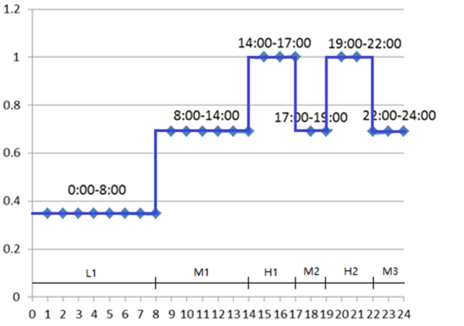
 |  | PV peak power full load hours (hour) | 990 | discharge efficiency | 0.95
 |  | PV economic lifetime (year) | 20 | DoD max | 0.9
 |  | representative days | 365 | DoD min | 0.1

经济参数 |  | PV光伏参数 |  | 电池储能参数
折现系数 | 0.06 | 额定功率 (kW) | 4000 | 容量价格 (Yuan/MWh) | 1,200,000
电价峰价 (Yuan/MWh) | 1049.9 | PV投资成本 (Yuan/kWh) | 13140 | 功率价格 (Yuan/MW) | 1,000,000
电价平价 (Yuan/MWh) | 655.5 | PV 上网电价(Yuan/kWh) | 0.4515 | 寿命 (year) | 12
电价谷价 (Yuan/MWh) | 352.2 | PV 补贴 (Yuan/kWh) | 0 | 充电效率 | 0.95
 |  | PV 最大利用小时数 (hour) | 990 | 放电效率 | 0.95
 |  | PV 寿命 (year) | 20 | 最大放电深度DoD max | 0.9
 |  | 典型日天数 | 365 | 最小放电深度DoD min | 0.1

